Steps
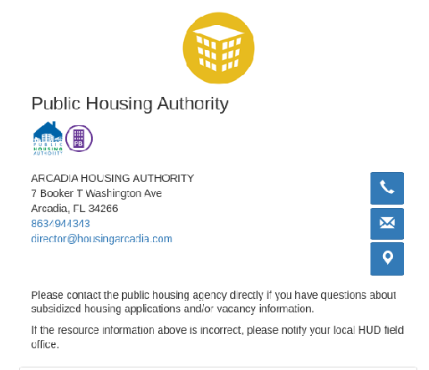
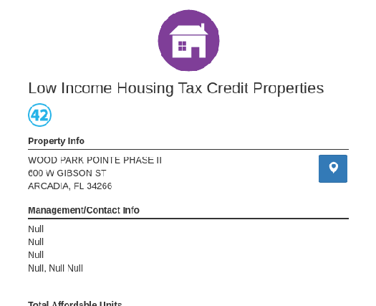
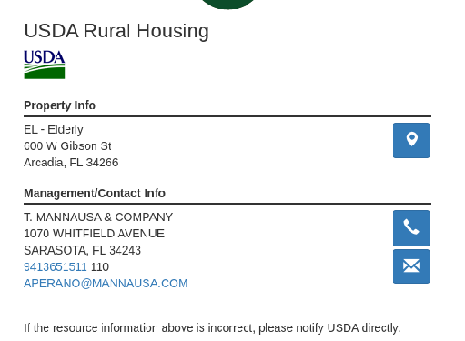
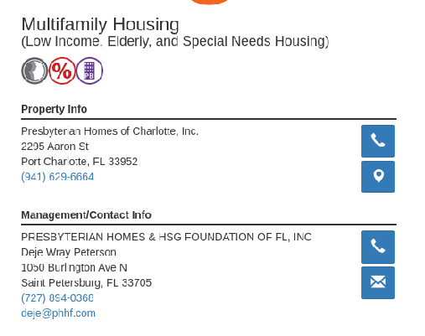
 |  |  | https://resources.hud.gov/#

1 | Input req before run | input options: (1. Find Affordable Housing Opportunities, 2. Find Hud Office, 3. Find Local Public Housing Authority/Agency, 4. Find Homeless Resources, 5. Find Affordable Elderly and Special Needs Housing, 6. View All rescources)\
2 | Enter Location Input: | FL
3 | Popup | Block location
4 | Popup 2 | Ok'
5 | Select Type | input options: (1. Find Affordable Housing Opportunities, 2. Find Hud Office, 3. Find Local Public Housing Authority/Agency, 4. Find Homeless Resources, 5. Find Affordable Elderly and Special Needs Housing, 6. View All rescources)\
6 | Enter Location | ex. FL
7 | Select each result and grab data
* | Use probable people to split names |  |  | https://github.com/datamade/probablepeople
* | Use USaddress to split addresses |  |  | https://github.com/datamade/usaddress
Conditions:
 | Crawl the site slow, add in enough breaks that it takes ~30 sec per record, act human, be nice to the servers
 | Every ~53 record take a ~45sec break
 | Watch for gsheet api limits, output records in groups of 10 or 20 to avoid api limits
 | Avoid dups in gsheet when script runs 2 or more times

